Tension Spring
 |  |  | Tension Spring
 |  |  | Spring 1 |  |  | Spring 2 |  |  | Spring 3 |  |  | Fill in Yellow cells
 |  |  | Model No |  |  | Model No |  |  | Model No
 |  |  | Nominal | (+)10% | (-)10% | Nominal | (+)10% | (-)10% | Nominal | (+)10% | (-)10%
TF | Force | N | 0 | 0 | 0 | 0 | 0 | 0 | 0 | 0 | 0
IF | Initial force | N
k | Spring rate | Nmm
x | Displacement | mm | 0 |  |  | 0 |  |  | 0
L0 | Free length | mm
L1 | Loaded length | mm

L0
L1

Torsion Spring
 |  |  | Torsion Spring
 |  |  | Spring 1 | Spring 2 | Spring 3 | Fill in Yellow cells
 |  |  | Model No | Model No | Model No

M | Moment Torque | Nmm
k | Spring rate | N° | #DIV/0! | #DIV/0! | #DIV/0!
θt | Total Deflection | rad | 0 | 0 | 0
 |  | ° | 0 | 0 | 0
θ0 | Initial position | °
 |  | rad | 0 | 0 | 0
θ0
θ1
r
d
F
θ1 | Deflection | °
 |  | rad | 0 | 0 | 0
r | Arm length | mm
π | pi |  | 3.14
Di | Inner diameter | mm
DO | Outer diameter | mm
D | Coil average diameter | mm | 0 | 0 | 0
d | wire thickness | mm
d³ |  |  | 0 | 0 | 0
kb | Bending stress correction factor |  | #DIV/0! | #DIV/0! | #DIV/0!
c | Spring index |  | #DIV/0! | #DIV/0! | #DIV/0!
c² |  |  | #DIV/0! | #DIV/0! | #DIV/0!
σ | Bending stress | Nmm | #DIV/0! | #DIV/0! | #DIV/0!
F | Force | N | #DIV/0! | #DIV/0! | #DIV/0!

Torque of spring from spring constant and displacement
τ | Torque | Nmm | #DIV/0! | #DIV/0! | #DIV/0!

Torque of spring from linear force and displacement
τ | Torque | Nmm | #DIV/0! | #DIV/0! | #DIV/0!

Bearings
 |  | Bearings

F
A
B
C
Bearing A
Bearing B
Load in between bearings |  |  |  | Fill in Yellow cells
F | Radial Load | N
FrA | Reaction Force A | N | #DIV/0!
FrB | Reaction Force B | N | #DIV/0!
a | Gap between radial load and centre of bearing B | mm
b | Gap between radial load and centre of bearing A | mm
c | Distance between Bearings | mm

F
C
A
B
Bearing A
Bearing B
Load at edge of bearing
F | Radial Load | N
FrA | Reaction Force A | N | #DIV/0!
FrB | Reaction Force B | N | #DIV/0!
a | Gap between radial load and centre of bearing B | mm
b | Gap between radial load and centre of bearing A | mm
c | Distance between Bearings | mm

Help
This section is for calculating the force of your compression spring
You only need to fill out the Spring rate, free length and loaded length which are highlighted in blue.
Multiple springs can be calculated at the same time as in some projects you may want to compare multiple springs at once to find out the best suited model. To help keep track you can record the model no you are comparing.
Springs generally have force tolerances of +/- 10%. The calculator will provide the +/-10% of the forces.
To help you get around this calculator have a look at the image below
If you need support in your project contact me andrew.dunn@wyrmengineering.com
Visit | www.wyrmengineering.com

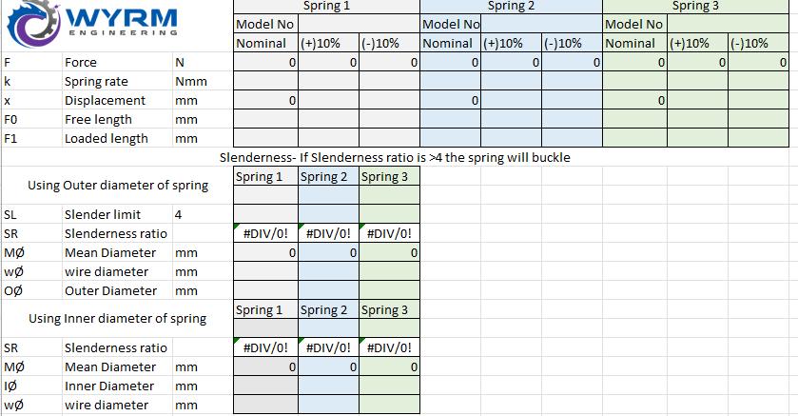

This section is for calculating the slenderness ratio which determines if your spring will buckle under load if it is not supported.
You only need to fill out the Mean diameter, wire diameter and outer diameter which are highlighted in blue.

Some cases the inner diameter of a spring is only supplied therefore a separate section is provided to calculate the slenderness ratio with the inner diameter.
If the slenderness ratio is >4 the spring will buckle. You can help prevent buckling by placing the spring into a hole or having a mandrel in the centre. To determine the required hole or mandrel size please refer to your manufacturer of your spring.

